Sheet1
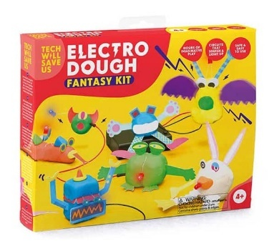
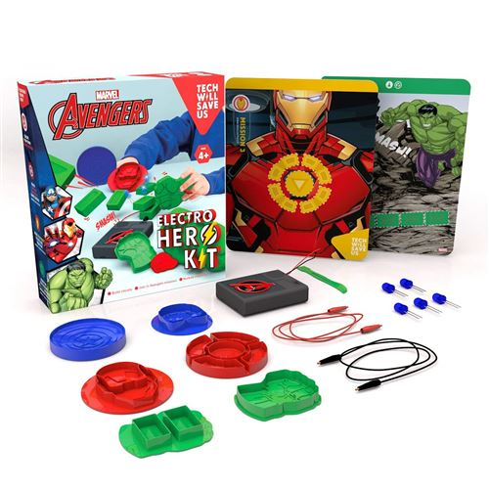
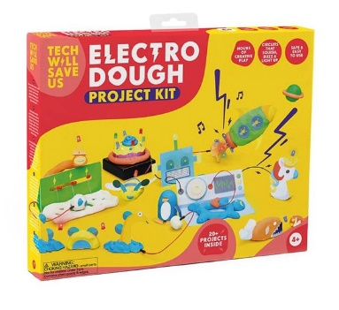
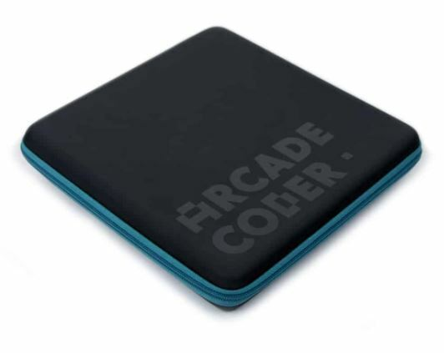
Barcode | Name | Quantity | RRP (inc Vat) | Value Remaining
5060402300011 | Speaker Kit | 1 | £29.99 | £29.99
5060402300226 | DIY GAMER KIT (WITHOUT ARDUINO) V1.9 - RETAIL | 1 | £49.99 | £49.99
5060402300271 | MICRO:CRAFT KIT | 700 | £9.99 | £6,993.00
5060402300318 | SYNTH KIT (EN / FR) | 34 | £19.99 | £679.66
5060402300349 | RAINBOW SNAP BAND | 199 | £- | £-
5060402300356 | MOVER SNAP BAND | 285 | £- | £-
5060402300363 | MICRO:BOT KIT | 325 | £9.99 | £3,246.75
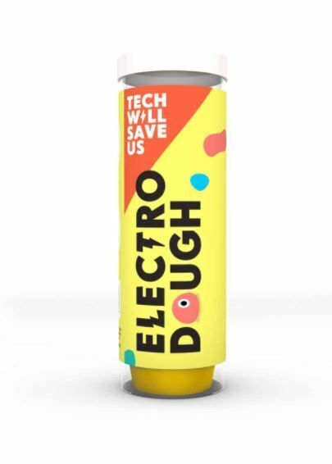
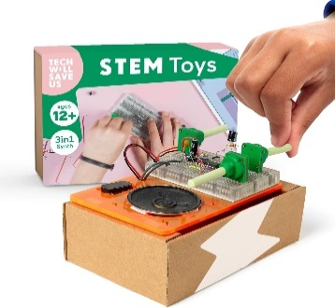
5060402300387 | ELECTRO DOUGH LUXE | 48 | £14.99 | £719.52
5060402300431 | THE GAMER KIT (READY SOLDERED) | 1 | £49.99 | £49.99
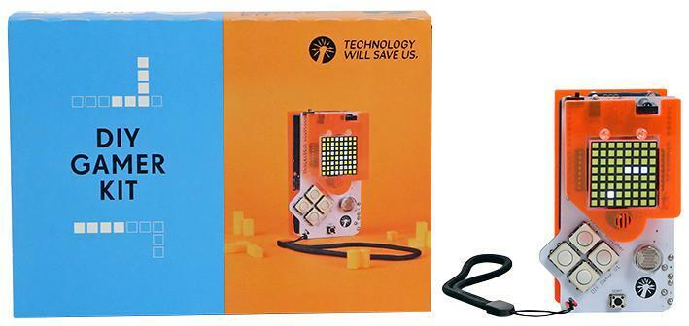
5060402300592 | ELECTRO DOUGH TUBE | 115 | £14.99 | £1,723.85
5060402300745 | ELECTRO HERO KIT | 2 | £14.99 | £29.98
5060402300776 | SEW + GLOW KIT | 332 | £6.95 | £2,307.40
5060402300868 | PALLET 9 | 1 | £- | £-
5060402300974 | PALLET 20 | 1 | £- | £-
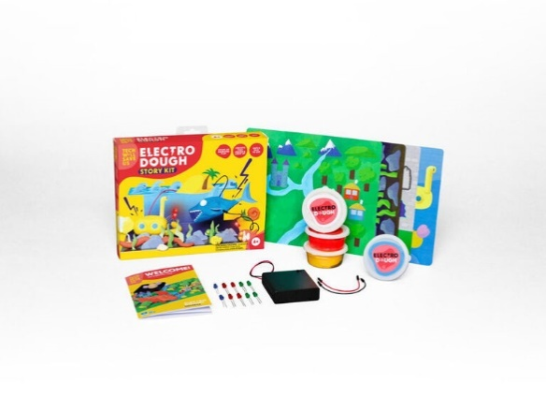
5060402301131 | PALLET 32 | 1 | £- | £-
5060402301414 | KIDS IN CHARGE BLACK T-SHIRT 5-6 YEARS | 1 | £7.99 | £7.99
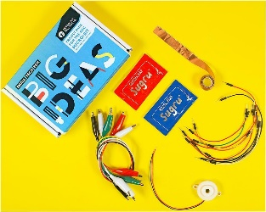
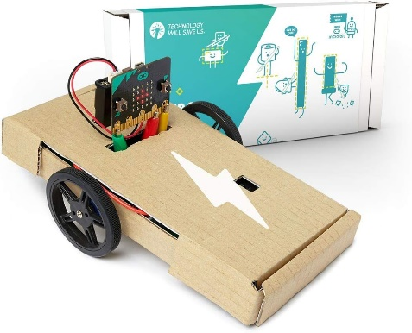
5060402301421 | KIDS IN CHARGE BLACK T-SHIRT 7-8 YEARS | 11 | £7.99 | £87.89
5060402301452 | ELECTRO BOLT RED T-SHIRT 7-8 YEARS | 5 | £7.99 | £39.95
5060402301483 | I HAVE THE POWER ROYAL T-SHIRT 7-8 YEARS | 14 | £7.99 | £111.86
5060402301506 | ELECTRO BOLT ROYAL SWEATSHIRT 5-6 YEARS | 2 | £7.99 | £15.98
5060402301513 | ELECTRO BOLT ROYAL SWEATSHIRT 9-11 YEARS | 11 | £7.99 | £87.89
5060402301520 | ELECTRO BOLT ROYAL SWEATSHIRT 9-11 YEARS | 11 | £7.99 | £87.89
5060402301537 | ELECTRO BOLT BEANIE | 12 | £6.99 | £83.88
5060402301544 | ELECTRO BOLT GOLD GYM SAC | 13 | £3.99 | £51.87
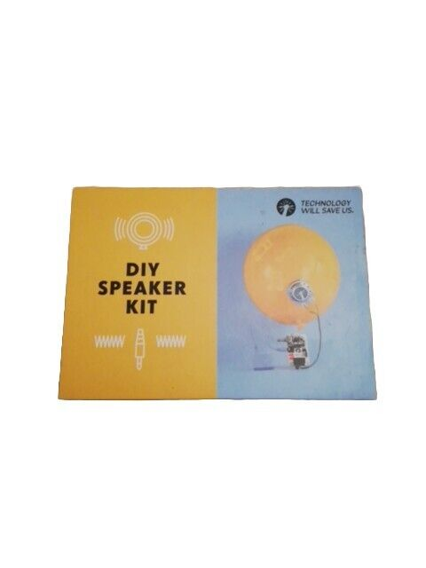
5060402301551 | ELECTRO BOLT AQUA GYM SAC | 14 | £3.99 | £55.86
5060402301612 | ELECTRO DOUGH PROJECT KIT | 1449 | £14.99 | £21,720.51
5060402301629 | ELECTRO DOUGH FANTASY KIT | 2655 | £14.99 | £39,798.45
5060402301636 | ELECTRO DOUGH STORY KIT | 3881 | £14.99 | £58,176.19
5060402301674 | ARCADE CODER | 721 | £12.99 | £9,365.79
5060402301780 | POS BUNDLE | 88 | £- | £-
5060402302015 | ARCADE CODER CARRY CASE | 704 | £6.95 | £4,892.80
5060402302558 | SYNTH KIT 2020 | 781 | £19.99 | £15,612.19
 |  | 12419 |  | £166,027.12

